Maketrip_Portal_Flight_Testing_
Project Name: | Maketrip portal-Flight
Module Name: | Make Trip - International Flight Search | Date Updated: | 29-08-2026
Last Build Tested: |  | Reviewed By: | Raghavendra BN
Run No: | 10 Test Cases | Executed By: | Raghavendra BN and Sai Kirthana
Run Date: | 29-08-2026
Test Objectives: | Mapping Test Scenarios with Test Cases (Make Trip - International Flight Search)
Test Setup: | MS Excel Sheet 2026, Microsoft Edge Browser
Req_Id | Test_Case ID | Test_Case_Description | Test_steps | Test_Data | Expected_Result | Actual_Result | Status | Screenshot
Req_1.0 | TC_01 | Verify user should register with valid details | 1. User should Open Microsoft Edge browser 2. User should Navigate to https://www.makemytrip.com/ 3. User should Enter User Name in Edit Box/Text Box 4. User should Enter Password in Edit Box/Text Box 5. User Should Click on Sign In/ Login Button | Url: https://www.makemytrip.com/ Email: user@gmail.com First Name - Sai Last Name - Kirthana | User account should be created successfully and user should be redirected to the verification/OTP page. | User account was created successfully and user was redirected to the verification/OTP page. | Passed | 
Req_1.1 | TC_02 | Verify user can login with valid credentials | 1. User should open Microsoft Edge browser 2. User should navigate to https://www.makemytrip.com/ 3. User should click on “Account & Lists” / “Sign In” option on the Make Trip homepage 4. User should enter valid Email ID/Mobile Number and Password 5. User should click on Login button | Url: https://www.makemytrip.com/ Mobile: 909****** Password: ****** | User should be logged in successfully and Make Trip homepage/account page should be displayed | User logged in successfully and Make Trip homepage/account page is displayed | Passed
Req_1.2 | TC_03 | Verify user can select a valid Trip Type | 1. User should open Microsoft Edge browser 2. User should navigate to https://www.makemytrip.com/ 3. Navigate to the International Flights section 4. Locate the Trip Type options 5. Select One Way 6. Verify the selected option | Url: https://www.makemytrip.com/ Trip Type: One Way | One Way, Round Trip and Multi City options should be available and the user should be able to select a Trip Type. | Trip Type options were displayed and One Way was selected successfully. | Passed | 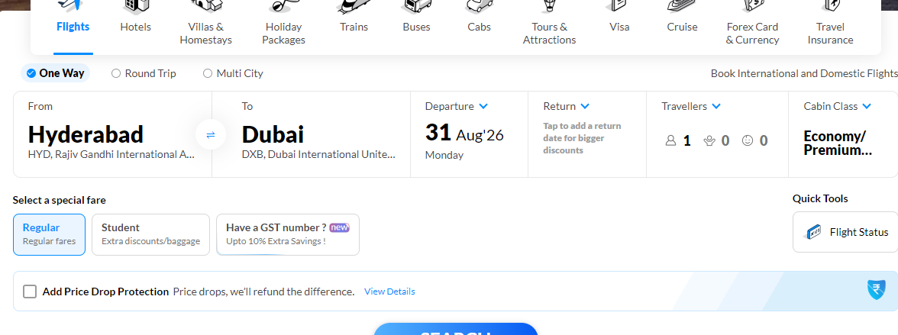
Req_1.3 | TC_04 | Verify user can select valid From and To locations | 1. User should open Microsoft Edge browser 2. User should navigate to https://www.makemytrip.com/ 3. Navigate to the International Flights section 4. Enter the first 3 starting characters in the From field 5. Select one place from the list 6. Enter the first 3 starting characters in the To field 7. Select one place from the list 8. Verify the selected locations | Url: https://www.makemytrip.com/ From: Hyd To: Dub | Places starting with the entered 3 characters should be listed and the user should be able to select one place for From and To. | Places starting with the entered 3 characters were displayed and valid From and To locations were selected. | Passed
Req_1.4 | TC_05 | Verify Include Nearby Airports option works for From and To | 1. User should open Microsoft Edge browser 2. User should navigate to https://www.makemytrip.com/ 3. Navigate to the International Flights section 4. Check Include Nearby Airports for From 5. Enter 3 starting characters in From 6. Verify nearby places are displayed 7. Check Include Nearby Airports for To 8. Enter 3 starting characters in To 9. Verify nearby places are displayed | Url: https://www.makemytrip.com/ From: Hyd To: Dub Include Nearby Airports: Checked | Nearby airports/places matching the entered 3 characters should be displayed for the respective field. | Nearby airport/place suggestions were displayed for both From and To fields. | Passed | 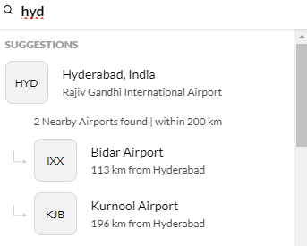
Req_1.5 | TC_06 | Verify user can select valid Departure and Return dates | 1. User should open Microsoft Edge browser 2. User should navigate to https://www.makemytrip.com/ 3. Navigate to the International Flights section 4. Click the Departure calendar icon 5. Select a valid future Departure date 6. Click the Return calendar icon 7. Select a Return date greater than the Departure date 8. Verify the displayed dates | Url: https://www.makemytrip.com/ Departure: 10/09/26 Return: 15/09/26 | Selected dates should be displayed in DD/MM/YY format and the Return date should be greater than the Departure date. | Departure and Return dates were selected successfully and displayed in the required format. | Passed | 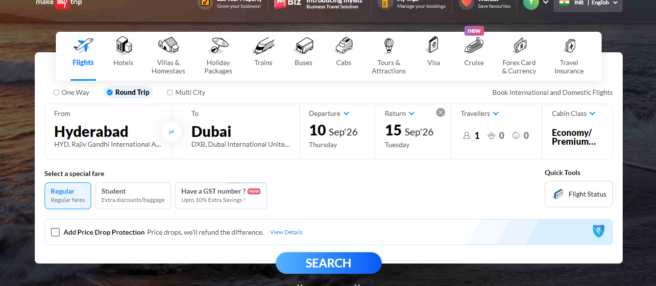
Req_1.6 | TC_07 | Verify user can select and view the Departure date | 1. User should open Microsoft Edge browser 2. User should navigate to https://www.makemytrip.com/ 3. Navigate to the International Flights section 4. Click the Departure calendar icon and select a date 5. Verify the selected Departure date is displayed in DD/MM/YY format and cannot be edited manually | Url: https://www.makemytrip.com/ Departure: 11/09/26 | Selected Departure date should be displayed in the flight-search section. | Departure date was selected successfully and displayed in the flight-search section. | Passed | 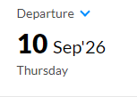
Req_1.7 | TC_08 | Verify user can select valid number of travelers within 9 | 1. User should open Microsoft Edge browser 2. User should navigate to https://www.makemytrip.com/ 3. Navigate to the International Flights section 4. Open the Travelers selection 5. Select Adults as 2 6. Select Children as 1 7. Select Infant as 1 8. Verify the total number of travelers | Url: https://www.makemytrip.com/ Adults: 2 Children: 2 Infant: 1 Total Travelers: 4 | User should be able to select the required travelers when the total is within the limit of 9. | Adults, Children and Infant were selected successfully. Total travelers were 5. | Passed | 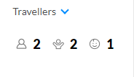
Req_1.8 | TC_09 | Verify user can select the required Service class | 1. User should open Microsoft Edge browser 2. User should navigate to https://www.makemytrip.com/ 3. Navigate to the International Flights section 4. Locate the Service class options 5. Select Economy 6. Verify the selected option | Url: https://www.makemytrip.com/ Service class: Economy | Economy, Premium Economy, Business and First options should be available and the user should be able to select one. | Service class options were displayed and Economy was selected successfully. | Passed | 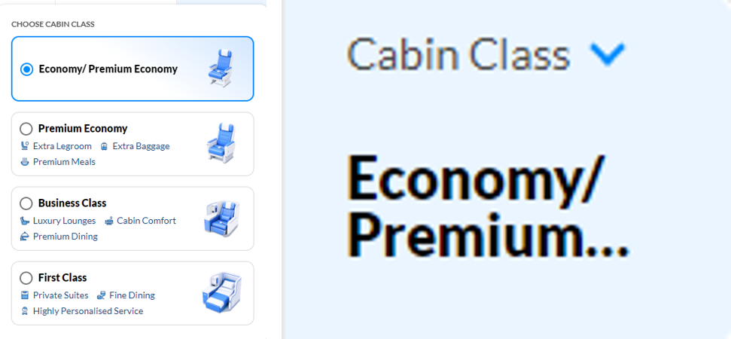
Req_1.9 | TC_10 | Verify user can search for flights with valid details | 1. User should open Microsoft Edge browser 2. User should navigate to https://www.makemytrip.com/ 3. Navigate to the International Flights section 4. Select a valid Trip Type 5. Select valid From and To locations 6. Select valid Departure and Return dates 7. Select valid number of travelers within 9 8. Select a Service class 9. Click on Search for flights 10. Verify the search results | Url: https://www.makemytrip.com/ Trip Type: One Way From: Hyd To: Dub Valid Date Travelers: 2 Service class: Economy | System should validate the entered details and display the flight results on the next page. | Flight search was completed successfully and the flight results page was displayed. | Passed | 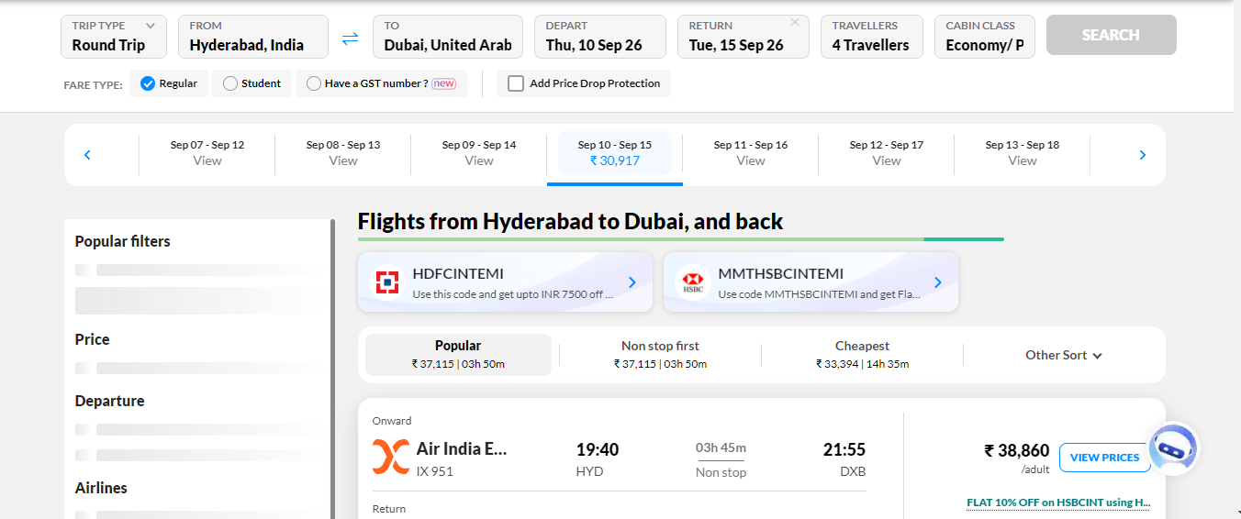

Defect Report
Defect ID | Defect Description | Steps to Reproduce | Priority | Severity | Status | Created By | Assigned To | Screenshot
1 | The Basket icon shows 1 item even though the basket page says that the basket is empty. | 1. Launch www.google.com 2. Search for https://www.hollandandbarrett.com/ 3. Click on the Basket icon. 4. Observe the item count displayed on the Basket icon. 5. Observe the basket page. 6. Observe that the Basket icon shows 1 even though the basket is empty. | High | Major | New | Sai Kirthana | Raghavendra BN | 
2 | The available bus seats are shown, but the seat chart cannot be retrieved for seat selection. | 1. Launch www.google.com 2. Search for https://www.abhibus.com/ 3. Search for a bus from Hyderabad to Bengaluru. 4. Select an available bus. 5. Click on the seat selection option. 6. Observe the seat chart. 7. Observe that the system displays "We could not retrieve seat chart". | High | Major | New | Sai Kirthana | Raghavendra BN | 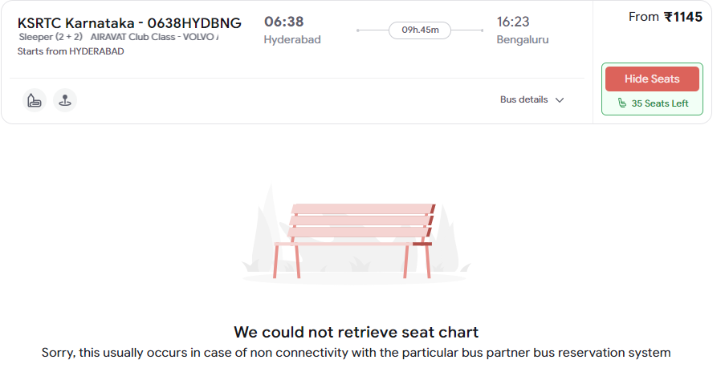
3 | Different products are displayed with the same incorrect product image. | 1. Launch www.google.com 2. Search for https://www.saucedemo.com/ 3. Enter problem_user as the username. 4. Enter secret_sauce as the password. 5. Click on Login. 6. Observe the product images displayed on the Products page. 7. Observe that different products are displaying the same dog image. | Medium | Major | New | Sai Kirthana | Raghavendra BN | 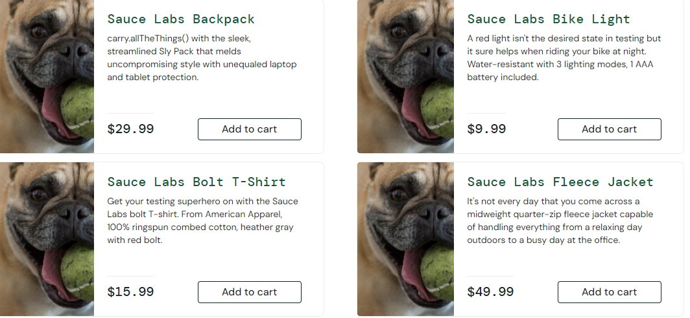
4 | The system accepts an invalid credit card number and completes the purchase successfully. | 1. Launch www.google.com 2. Search for https://www.demoblaze.com/ 3. Select any product and click on Add to Cart. 4. Navigate to the Cart page. 5. Click on Place Order. 6. Enter valid customer details. 7. Enter an invalid credit card number (Eg. 12345678912345678999). 8. Click on Purchase. 9. Observe the system response. | High | Major | New | Sai Kirthana | Raghavendra BN | 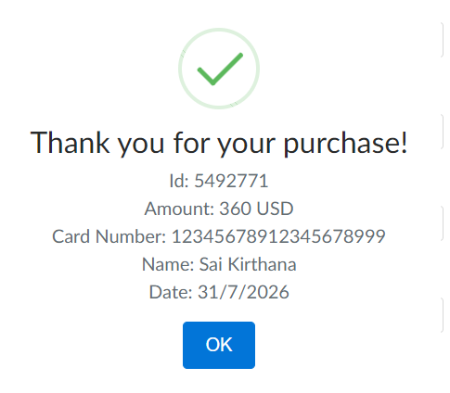
5 | The Click Me button is displayed as disabled and does not perform the expected action. | 1. Launch www.google.com 2. Search for https://qaengineerwaqas.com/qa-practice 3. Scroll down to the UI/UX Issues section. 4. Navigate to the Broken Button section. 5. Click on the "Click Me" button. 6. Observe that the button is disabled and does not perform any action. | Medium | Minor | New | Sai Kirthana | Raghavendra BN | 